Chart 1.1
 |  | Sales - Chemicals - € billion

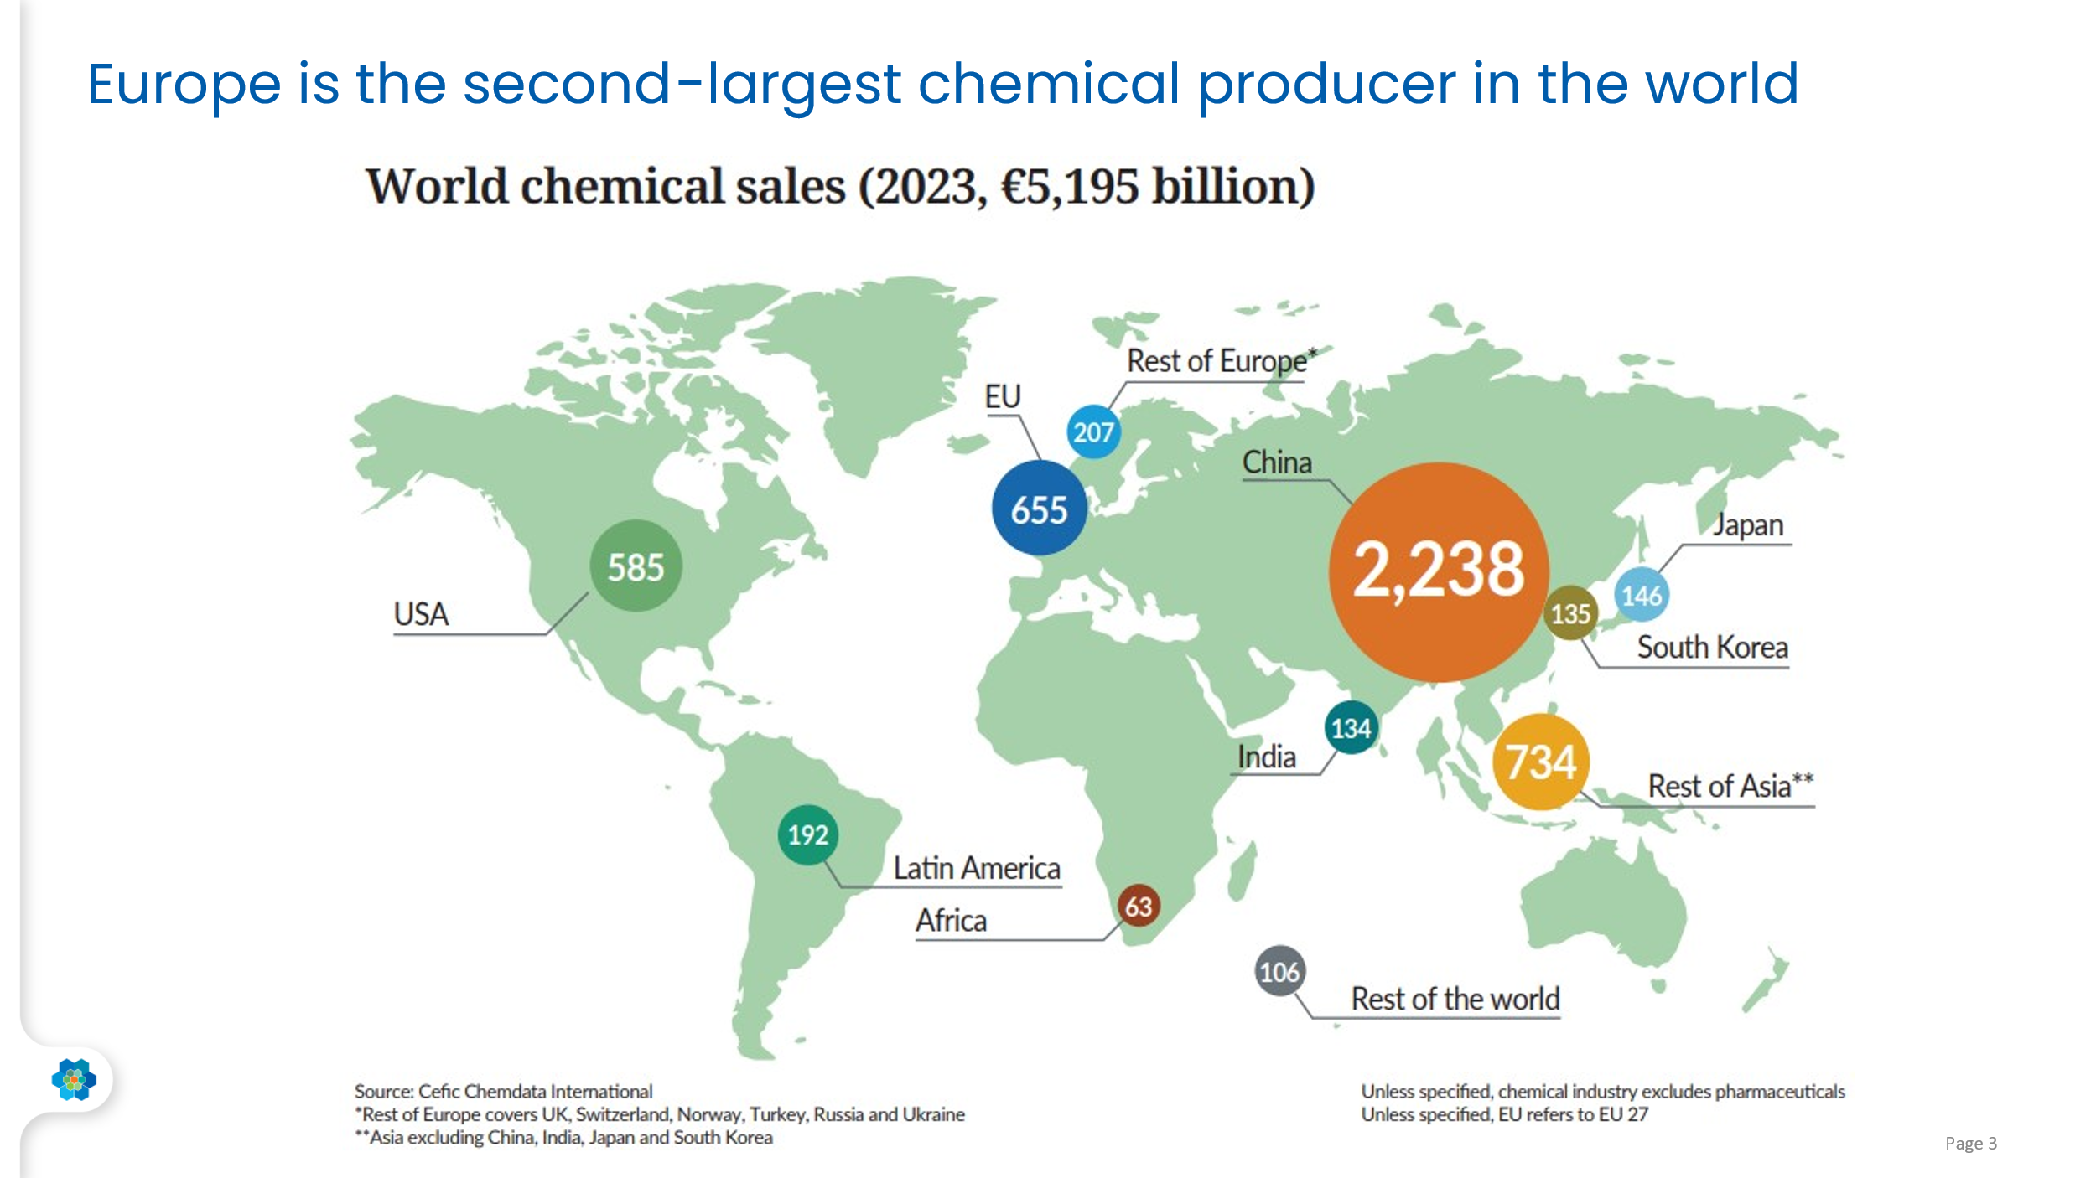
 | EU27 | Rest of Europe* | US | Latin America | Rest of Asia | China | Japan | India | South Korea | Rest of the World | World
2013 | 510.4 | 126.6 | 451.5 | 137.7 | 375.1 | 1058.0 | 151.8 | 66.0 | 111.3 | 119.3 | 3108
2014 | 498.1 | 121.5 | 442.6 | 134.3 | 366.6 | 1135.8 | 143.5 | 68.7 | 111.2 | 120.9 | 3143
2015 | 493.9 | 126.2 | 470.1 | 131.2 | 382.9 | 1342.7 | 156.1 | 85.6 | 108.8 | 114.7 | 3412
2016 | 477.9 | 119.5 | 454.9 | 127.5 | 366.2 | 1293.6 | 165.8 | 78.4 | 107.0 | 107.5 | 3298
2017 | 521.0 | 130.0 | 463.2 | 135.2 | 404.7 | 1418.4 | 166.1 | 90.0 | 116.6 | 114.3 | 3560
2018 | 541.2 | 136.8 | 464.5 | 129.6 | 436.6 | 1530.7 | 167.2 | 101.7 | 126.1 | 129.0 | 3763
2019 | 542.4 | 140.8 | 455.9 | 128.7 | 459.6 | 1564.5 | 175.5 | 100.6 | 118.0 | 137.0 | 3823
2020 | 502.8 | 143.9 | 406.5 | 112.6 | 444.0 | 1494.4 | 172.0 | 92.4 | 108.1 | 113.4 | 3590
2021 | 629.5 | 191.9 | 493.3 | 145.2 | 605.2 | 1974.5 | 156.8 | 125.5 | 139.8 | 138.8 | 4601
2022 | 748.2 | 240.6 | 606.1 | 204.3 | 738.7 | 2431.2 | 169.3 | 145.1 | 165.1 | 176.0 | 5625
2023 | 655.3 | 206.9 | 585.5 | 191.9 | 734.2 | 2238.1 | 145.7 | 134.0 | 135.0 | 168.5 | 5195

 |  | Sales - Chemicals - World Market Share (%)

 | EU27 | Rest of Europe* | US | Latin America | Rest of Asia | China | Japan | India | South Korea | Rest of the World | World
2013 | 16.4% | 4.1% | 14.5% | 4.4% | 12.1% | 34.0% | 4.9% | 2.1% | 3.6% | 3.8% | 100.0%
2014 | 15.8% | 3.9% | 14.1% | 4.3% | 11.7% | 36.1% | 4.6% | 2.2% | 3.5% | 3.8% | 100.0%
2015 | 14.5% | 3.7% | 13.8% | 3.8% | 11.2% | 39.4% | 4.6% | 2.5% | 3.2% | 3.4% | 100.0%
2016 | 14.5% | 3.6% | 13.8% | 3.9% | 11.1% | 39.2% | 5.0% | 2.4% | 3.2% | 3.3% | 100.0%
2017 | 14.6% | 3.7% | 13.0% | 3.8% | 11.4% | 39.8% | 4.7% | 2.5% | 3.3% | 3.2% | 100.0%
2018 | 14.4% | 3.6% | 12.3% | 3.4% | 11.6% | 40.7% | 4.4% | 2.7% | 3.4% | 3.4% | 100.0%
2019 | 14.2% | 3.7% | 11.9% | 3.4% | 12.0% | 40.9% | 4.6% | 2.6% | 3.1% | 3.6% | 100.0%
2020 | 14.0% | 4.0% | 11.3% | 3.1% | 12.4% | 41.6% | 4.8% | 2.6% | 3.0% | 3.2% | 100.0%
2021 | 13.7% | 4.2% | 10.7% | 3.2% | 13.2% | 42.9% | 3.4% | 2.7% | 3.0% | 3.0% | 100.0%
2022 | 13.3% | 4.3% | 10.8% | 3.6% | 13.1% | 43.2% | 3.0% | 2.6% | 2.9% | 3.1% | 100.0%
2023 | 12.6% | 4.0% | 11.3% | 3.7% | 14.1% | 43.1% | 2.8% | 2.6% | 2.6% | 3.2% | 100.0%

World Chemical Sales | 2023 | Share
EU27 | 655 | 12.6%
Rest of Europe* | 207 | 4.0%
US | 585 | 11.3%
Latin America | 192 | 3.7%
Rest of Asia | 734 | 14.1%
China | 2238 | 43.1%
Japan | 146 | 2.8%
India | 134 | 2.6%
South Korea | 135 | 2.6%
Africa | 63 | 1.2%
Rest of the World | 106 | 2.0%
World | 5195 | 100.0%

Chart 1.4
 |  |  | Sales (Value); Chemicals (20); Bn Euro;

 | Chemicals | Petrochemicals | Other Inorganic Basic Chemicals | Industrial Gases | Fertilizers & Nitrogen Compounds | Plastics in Primary Forms | Synth. Rubber in Prim. Forms | Man-made Fibres | Dyes & Pigments | Pesticides & Agro-Chemical Products | Paints, Varn. & Similar Coatings | Other Chemical Products | Consumer chemicals
2013 | 510.4 | 157.6 | 27.0 | 12.7 | 23.8 | 95.7 | 4.7 | 7.8 | 9.5 | 8.5 | 36.6 | 70.9 | 55.8
2014 | 498.1 | 153.4 | 21.4 | 12.1 | 22.8 | 91.9 | 4.4 | 8.0 | 9.3 | 9.0 | 35.8 | 66.7 | 63.2
2015 | 493.9 | 142.6 | 22.1 | 11.6 | 23.4 | 91.9 | 4.4 | 7.8 | 10.9 | 9.4 | 36.3 | 68.7 | 64.9
2016 | 477.9 | 122.5 | 19.7 | 11.0 | 19.9 | 93.8 | 4.6 | 7.8 | 12.6 | 9.1 | 37.3 | 73.0 | 66.6
2017 | 521.0 | 137.9 | 39.1 | 11.1 | 21.9 | 96.9 | 5.1 | 7.8 | 12.0 | 12.0 | 39.8 | 75.8 | 61.5
2018 | 541.2 | 157.3 | 26.5 | 11.1 | 24.8 | 96.7 | 4.1 | 9.0 | 11.6 | 11.6 | 41.8 | 75.8 | 70.9
2019 | 542.4 | 143.7 | 26.2 | 14.0 | 26.3 | 95.6 | 4.6 | 7.9 | 10.9 | 12.1 | 41.6 | 79.9 | 79.4
2020 | 502.8 | 129.1 | 23.4 | 17.7 | 23.8 | 78.1 | 3.4 | 6.8 | 10.8 | 13.6 | 40.5 | 77.0 | 78.5
2021 | 629.5 | 168.5 | 27.1 | 16.2 | 32.8 | 118.1 | 5.0 | 8.4 | 11.3 | 11.2 | 45.1 | 100.8 | 85.0
2022 | 748.2 | 196.6 | 36.7 | 19.5 | 59.7 | 137.1 | 5.8 | 9.8 | 12.8 | 17.1 | 49.5 | 112.0 | 91.5
2023 | 655.3 | 170.0 | 32.2 | 20.4 | 40.6 | 105.2 | 4.0 | 8.7 | 11.3 | 14.8 | 48.3 | 104.4 | 95.2

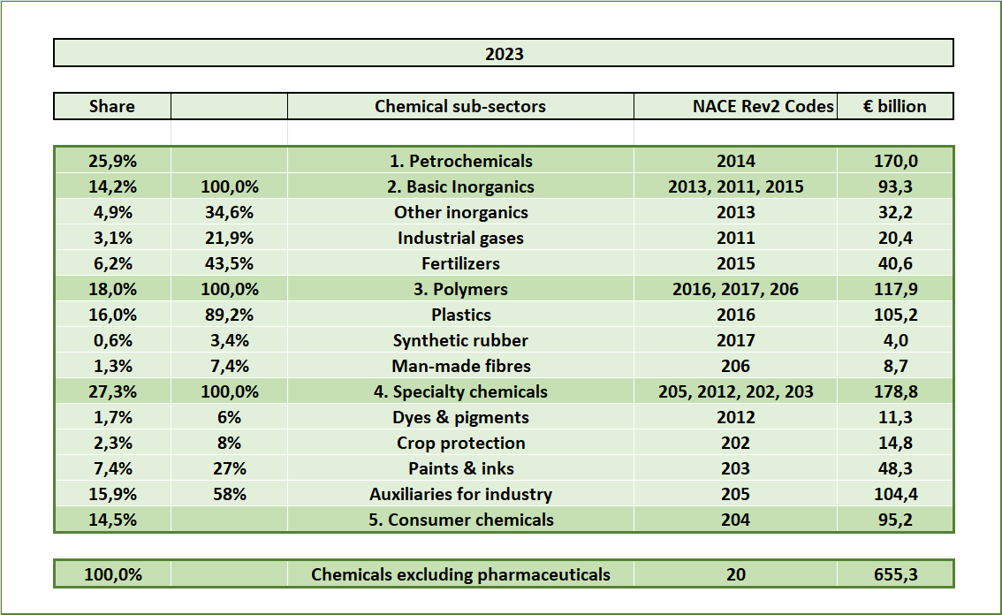

Chart 3-1
 |  |  | Chemicals

 | Title | EU27 | EU27 | EU27
 | Series Description | Production index; Chemicals (20); 2021=100, Seasonally and calendar adjusted data | Production index; Chemicals (20); 2021=100, Seasonally and calendar adjusted data | Production index; Chemicals (20); 2021=100, Seasonally and calendar adjusted data
 | Transform | - | % Change (y/y) | % Change (p/p)
Jan-Sep 2024 (y-o-y, +2.5%) | Year to Date | 88.0 | 2.5 | -
 | 2003 | 66031.1
2005 | Q1/05 | 90.1 | 3.9 | -0.4
 | Q2/05 | 90.0 | 2.4 | -0.1
 | Q3/05 | 90.9 | 2.3 | 1.1
 | Q4/05 | 92.8 | 2.6 | 2.1
2006 | Q1/06 | 92.1 | 2.3 | -0.7
 | Q2/06 | 94.3 | 4.8 | 2.4
 | Q3/06 | 95.3 | 4.8 | 1.1
 | Q4/06 | 96.5 | 4.0 | 1.2
2007 | Q1/07 | 97.8 | 6.2 | 1.4
 | Q2/07 | 97.7 | 3.6 | -0.1
 | Q3/07 | 97.6 | 2.4 | -0.1
 | Q4/07 | 98.3 | 1.9 | 0.7
2008 | Q1/08 | 99.2 | 1.4 | 0.9
 | Q2/08 | 97.4 | -0.3 | -1.7
 | Q3/08 | 97.0 | -0.6 | -0.4
 | Q4/08 | 83.9 | -14.7 | -13.5
2009 | Q1/09 | 76.3 | -23.0 | -9.0
 | Q2/09 | 80.8 | -17.0 | 5.9
 | Q3/09 | 87.0 | -10.3 | 7.6
 | Q4/09 | 88.5 | 5.5 | 1.8
2010 | Q1/10 | 90.2 | 18.1 | 1.9
 | Q2/10 | 94.0 | 16.2 | 4.2
 | Q3/10 | 94.9 | 9.1 | 1.0
 | Q4/10 | 95.0 | 7.3 | 0.1
2011 | Q1/11 | 96.9 | 7.5 | 2.1
 | Q2/11 | 95.6 | 1.7 | -1.4
 | Q3/11 | 94.4 | -0.5 | -1.2
 | Q4/11 | 91.8 | -3.3 | -2.8
2012 | Q1/12 | 93.2 | -3.8 | 1.5
 | Q2/12 | 93.5 | -2.2 | 0.3
 | Q3/12 | 93.1 | -1.4 | -0.4
 | Q4/12 | 92.5 | 0.8 | -0.6
2013 | Q1/13 | 92.3 | -1.0 | -0.3
 | Q2/13 | 93.2 | -0.3 | 1.0
 | Q3/13 | 93.1 | 0.0 | -0.1
 | Q4/13 | 94.8 | 2.5 | 1.9
2014 | Q1/14 | 95.1 | 3.0 | 0.2
 | Q2/14 | 93.7 | 0.6 | -1.4
 | Q3/14 | 94.0 | 1.0 | 0.3
 | Q4/14 | 93.3 | -1.6 | -0.7
2015 | Q1/15 | 93.8 | -1.3 | 0.5
 | Q2/15 | 94.3 | 0.6 | 0.5
 | Q3/15 | 94.3 | 0.3 | 0.0
 | Q4/15 | 94.4 | 1.2 | 0.1
2016 | Q1/16 | 95.1 | 1.4 | 0.8
 | Q2/16 | 94.3 | 0.0 | -0.9
 | Q3/16 | 95.4 | 1.2 | 1.2
 | Q4/16 | 96.6 | 2.3 | 1.3
2017 | Q1/17 | 96.9 | 1.9 | 0.4
 | Q2/17 | 98.1 | 4.1 | 1.2
 | Q3/17 | 99.5 | 4.3 | 1.4
 | Q4/17 | 100.8 | 4.4 | 1.3
2018 | Q1/18 | 98.1 | 1.2 | -2.6
 | Q2/18 | 99.4 | 1.4 | 1.3
 | Q3/18 | 98.4 | -1.1 | -1.1
 | Q4/18 | 97.1 | -3.6 | -1.3
2019 | Q1/19 | 97.7 | -0.4 | 0.6
 | Q2/19 | 97.5 | -1.9 | -0.2
 | Q3/19 | 96.2 | -2.2 | -1.4
 | Q4/19 | 95.2 | -2.0 | -1.0
2020 | Q1/20 | 96.4 | -1.4 | 1.3
 | Q2/20 | 87.6 | -10.2 | -9.1
 | Q3/20 | 93.7 | -2.6 | 7.0
 | Q4/20 | 99.7 | 4.8 | 6.4
2021 | Q1/21 | 98.9 | 2.6 | -0.9
 | Q2/21 | 99.1 | 13.1 | 0.2
 | Q3/21 | 99.7 | 6.4 | 0.6
 | Q4/21 | 102.4 | 2.6 | 2.7
2022 | Q1/22 | 100.4 | 1.5 | -2.0
 | Q2/22 | 96.8 | -2.3 | -3.6
 | Q3/22 | 92.5 | -7.2 | -4.4
 | Q4/22 | 85.9 | -16.1 | -7.1
2023 | Q1/23 | 85.8 | -14.5 | -0.1
 | Q2/23 | 85.3 | -11.9 | -0.7
 | Q3/23 | 86.2 | -6.8 | 1.1
 | Q4/23 | 86.4 | 0.5 | 0.2
2024 | Q1/24 | 87.9 | 2.4 | 1.7
 | Q2/24 | 88.7 | 4.0 | 0.9
 | Q3/24 | 87.3 | 1.2 | -1.5
 |  | 87.3
2025

EU27 Chemicals Output (2008-2024)

Chart 4-Contribution
4. Our contribution to EU industry

EU27 Chemicals Output (2008-2024)
 | % Change (y/y)

Chart 5-Energy
5. Energy Consumption

EU27 Chemicals Output (2008-2024)
 | % Change (y/y)

Chart 5-6
NRG_BAL | FC_IND_CPC_E - Final consumption - industry sector - chemical and petrochemical - energy use |  |  |  |  |  |  |  |  |  |  |  |  |  |  | NRG_BAL | FC_IND_E - Final consumption - industry sector - energy use
GEO | EU27 |  |  |  |  |  |  |  |  |  |  |  |  |  |  | GEO | EU27
UNIT | GWH - Gigawatt-hour |  |  |  |  |  |  |  |  |  |  |  |  |  |  | UNIT | GWH - Gigawatt-hour
 |  |  |  |  |  |  |  |  |  |  |  |  |  | 1000 Gigawatt-hour
 | TOTAL - Total | C0000X0350-0370 - Solid fossil fuels | C0350-0370 - Manufactured gases | P1000 - Peat and peat products | S2000 - Oil shale and oil sands | G3000 - Natural gas | O4000XBIO - Oil and petroleum products (excluding biofuel portion) | RA000 - Renewables and biofuels | W6100_6220 - Non-renewable waste | E7000 - Electricity | H8000 - Heat |  |  | C0000X0350-0370 - Solid fossil fuels |  |  | TOTAL - Total | C0000X0350-0370 - Solid fossil fuels | C0350-0370 - Manufactured gases | P1000 - Peat and peat products | S2000 - Oil shale and oil sands | G3000 - Natural gas | O4000XBIO - Oil and petroleum products (excluding biofuel portion) | RA000 - Renewables and biofuels | W6100_6220 - Non-renewable waste | E7000 - Electricity | H8000 - Heat
1990 | 751753.0 | 78708.0 | 4061.92 | 465.22 | 0.00 | 286491.21 | 112275.19 | 6358.61 | 5139.72 | 192358.84 | 65894.31 |  | 10.5% | 78.7 | 15.3% | 1990 | 3608447.23 | 515963.62 | 149888.75 | 4578.76 | 1841.76 | 1012588.15 | 635581.18 | 151617.94 | 9320.00 | 892796.30 | 234270.78
1991 | 662738.2 | 56468.5 | 3650.95 | 379.83 | 0.00 | 242394.99 | 116948.88 | 5535.28 | 5788.61 | 170503.97 | 61067.16 |  | 8.5% | 56 | 13.0% | 1991 | 3392960.88 | 433110.50 | 130132.30 | 3405.26 | 1979.15 | 934220.01 | 631827.17 | 145201.56 | 10721.11 | 862416.85 | 239946.99
1992 | 634088.1 | 49777.2 | 3734.39 | 426.72 | 0.00 | 196540.05 | 118842.83 | 5455.84 | 5438.61 | 174950.14 | 78922.37 |  | 7.9% | 50 | 12.9% | 1992 | 3180179.84 | 385411.36 | 115132.65 | 3981.43 | 1188.94 | 844515.26 | 585533.65 | 142819.63 | 10505.84 | 846459.00 | 244632.09
1993 | 620224.6 | 42162.5 | 3889.17 | 523.58 | 0.00 | 194006.83 | 121436.43 | 5553.61 | 5489.44 | 174355.81 | 72807.17 |  | 6.8% | 42 | 12.1% | 1993 | 3078237.02 | 348096.68 | 115654.28 | 3045.34 | 841.52 | 839347.05 | 574374.58 | 146456.61 | 11667.78 | 822869.31 | 215883.88
1994 | 617134.2 | 38295.1 | 3299.10 | 574.97 | 0.00 | 201070.52 | 127154.21 | 5439.72 | 6814.17 | 169160.22 | 65326.13 |  | 6.2% | 38 | 11.6% | 1994 | 3091339.96 | 329440.96 | 120212.56 | 4374.29 | 1022.86 | 873580.86 | 583876.68 | 151389.49 | 14707.50 | 838987.87 | 173746.88
1995 | 646559.8 | 49633.9 | 3436.01 | 652.72 | 0.00 | 225288.72 | 127776.21 | 5880.56 | 8212.78 | 168614.94 | 57063.99 |  | 7.7% | 50 | 14.3% | 1995 | 3158997.02 | 347542.75 | 120156.22 | 3091.65 | 1078.24 | 930296.03 | 569573.68 | 163815.66 | 15812.50 | 860364.76 | 147265.53
...
2016 | 596608.1 | 33507.6 | 1073.11 | 27.00 | 0.00 | 209409.13 | 86620.48 | 4716.61 | 6652.30 | 166025.16 | 88576.71 |  | 5.6% | 34 | 22.2% | 2016 | 2765152.24
2017 | 600524.0 | 35552.7 | 863.56 | 30.00 | 0.00 | 216666.67 | 82313.65 | 3983.14 | 5757.95 | 168938.50 | 86417.82 |  | 5.9% | 36 | 23.2% | 2017 | 2790894.57
2018 | 594247.3 | 30330.9 | 1172.09 | 30.15 | 0.00 | 211116.42 | 87350.46 | 3542.07 | 5195.95 | 167439.29 | 88070.00 |  | 5.1% | 30 | 20.7% | 2018 | 2811815.53
2019 | 587006.4 | 28142.2 | 959.26 | 30.00 | 0.00 | 209166.61 | 84214.32 | 4045.80 | 4780.84 | 165700.07 | 89967.34 |  | 4.8% | 28 | 20.7% | 2019 | 2779237.187
2020 | 584491.2 | 27215.2 | 802.04 | 33.00 | 0.00 | 214202.00 | 85319.85 | 4616.47 | 4723.26 | 163377.78 | 84201.58 |  | 4.7% | 27.2 | 21.5% | 2020 | 2678426.974
2021 | 599347.8 | 24515.7 | 983.14 | 12.05 | 0.00 | 224741.63 | 92631.52 | 4918.80 | 4759.51 | 166255.48 | 80529.95 |  | 4.1% | 24.5 | 19.4% | 2021 | 2807930.055
2022 | 525580.6 | 22968.0 | 606.25 | 15.00 | 0.00 | 171705.20 | 87189.15 | 5654.05 | 4953.73 | 157319.77 | 75169.44 | -71% | 4.4% | 23.0 | 20.2% | 2022 | 2631342.762

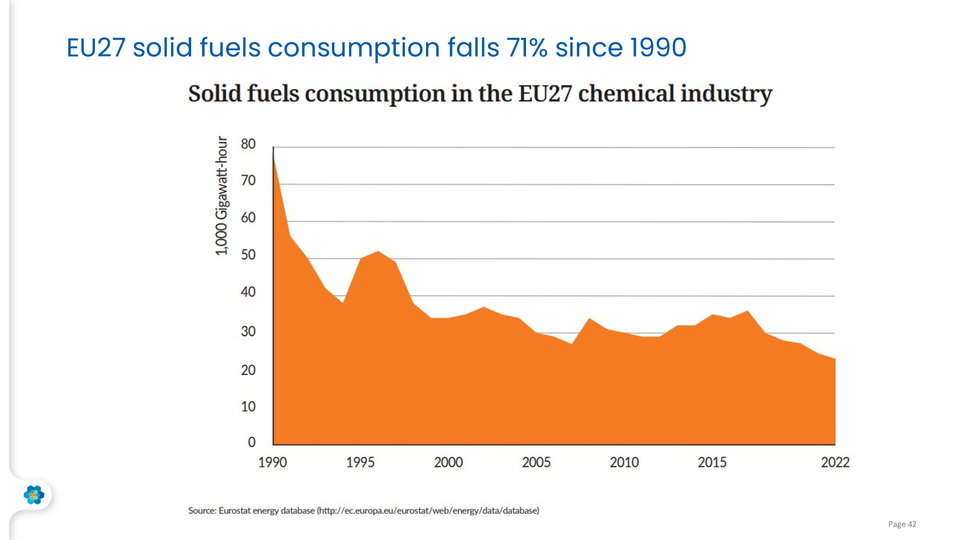

Chart 5-7
...
 | NRG_BAL | FC_IND_E - Final consumption - industry sector - energy use |  |  |  |  |  |  |  |  |  |  |  |  |  |  | NRG_BAL | FC_IND_E - Final consumption - industry sector - energy use
15 | 2015 | 587708.6 | 35230.22 | 1230.31 | 30.00 | 0.00 | 201606.70 | 90228.79 | 3721.45 | 5538.20 | 164628.08 | 85494.86 |  | 0.6% | 3.7 | 1.5% | 2015 | 2715325.12 | 150743.38
16 | 2016 | 596608.1 | 33507.60 | 1073.11 | 27.00 | 0.00 | 209409.13 | 86620.48 | 4716.61 | 6652.30 | 166025.16 | 88576.71 |  | 0.8% | 4.7 | 1.9% | 2016 | 2765152.24 | 151061.82
17 | 2017 | 600524.0 | 35552.66 | 863.56 | 30.00 | 0.00 | 216666.67 | 82313.65 | 3983.14 | 5757.95 | 168938.50 | 86417.82 |  | 0.7% | 4.0 | 1.6% | 2017 | 2790894.57 | 153422.32
18 | 2018 | 594247.3 | 30330.87 | 1172.09 | 30.15 | 0.00 | 211116.42 | 87350.46 | 3542.07 | 5195.95 | 167439.29 | 88070.00 |  | 0.6% | 3.5 | 1.3% | 2018 | 2811815.53 | 146311.85
19 | 2019 | 587006.4 | 28142.21 | 959.26 | 30.00 | 0.00 | 209166.61 | 84214.32 | 4045.80 | 4780.84 | 165700.07 | 89967.34 |  | 0.7% | 4.0 | 1.5% | 2019 | 2779237.19 | 135683.46
20 | 2020 | 584491.2 | 27215.18 | 802.04 | 33.00 | 0.00 | 214202.00 | 85319.85 | 4616.47 | 4723.26 | 163377.78 | 84201.58 |  | 0.8% | 4.6 | 1.7% | 2020 | 2678426.97 | 126814.20
20 | 2021 | 599347.8 | 24515.70 | 983.14 | 12.05 | 0.00 | 224741.63 | 92631.52 | 4918.80 | 4759.51 | 166255.48 | 80529.95 |  | 0.8% | 4.9 | 1.8% | 2021 | 2807930.06 | 126490.27
 | 2022 | 525580.6 | 22968.05 | 606.25 | 15.00 | 0.00 | 171705.20 | 87189.15 | 5654.05 | 4953.73 | 157319.77 | 75169.44 | 3.1 | 1.1% | 5.7 | 2.0% | 2022 | 2631342.76 | 113678.47

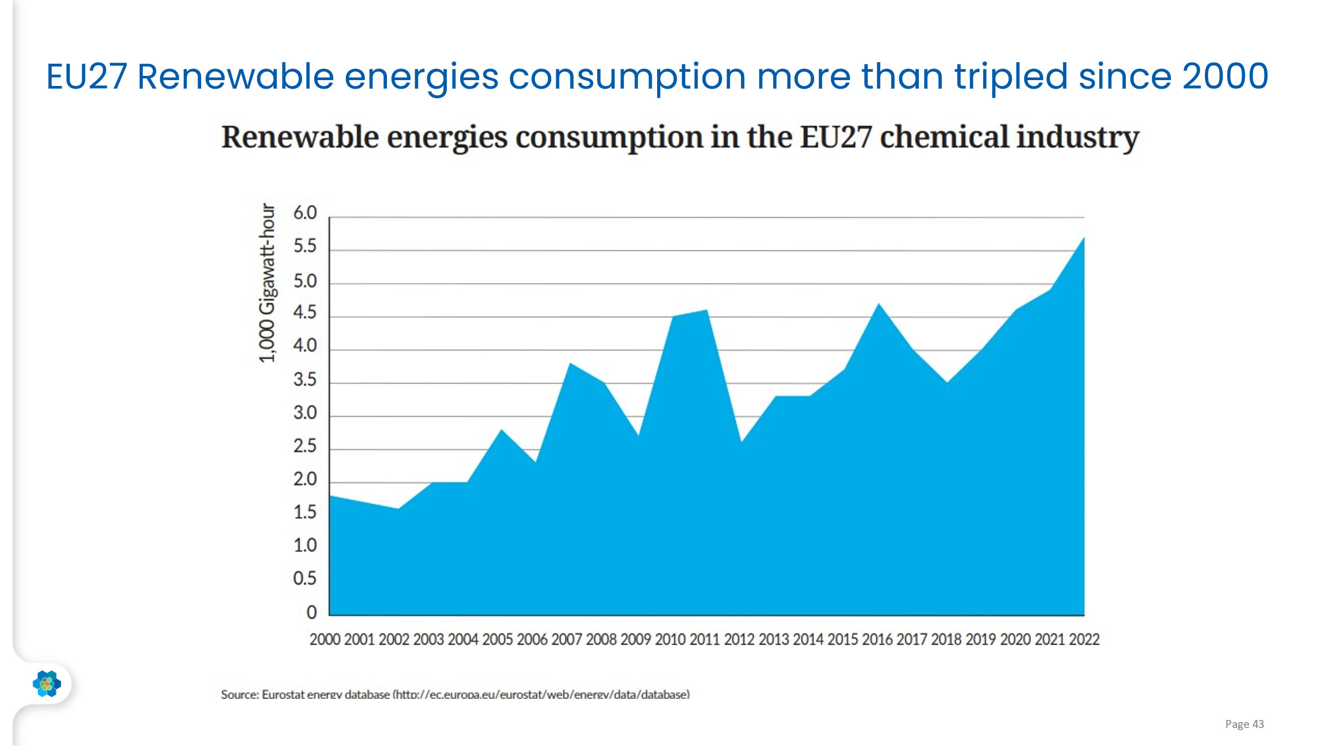

Chart 6-Investment
...
EU27 Chemicals Output (2008-2024)
 | % Change (y/y)

Chart 7-Environmental Perfo
...
EU27 Chemicals Output (2008-2024)
 | % Change (y/y)

